Cat 6A
 |  |  |  | INDEX
 |  |  |  | Cable - U/UTP |  |  | Jacks - UTP |  |  | Field Term Plugs UTP
 |  |  |  | Cable - F/UTP |  |  | Jacks - STP |  |  | Field Term Plugs STP
 |  |  |  | Cable - U/FTP |  |  | Patch Cords - UTP |  |  | Punchdown Patch Panels
Category 6A |  |  |  | Cable - Outdoor |  |  | Patch Cords - STP |  |  | Security Device BLOCK jacks
 |  |  |  | Cable - Indoor/Outdoor |  |  |  |  |  | Security Device LOCK cords

U/UTP

 | CABLE - U/UTP
 | PLENUM (CMP) |  |  |  | RISER (CMR)
 | GenSPEED 10 MTP Gen 5 |  | GenSPEED 10 Gen 5 |  | GenSPEED 10 MTP Gen 4 |  | GenSPEED 10 Gen 4
 | 0.230" OD |  | 0.230" OD |  | 0.255" OD |  | 0.260" OD
Color | Spool | Spoolpac | Spool | Spoolpac | Spool | Pull-Pac | Spool | Pull-Pac
Blue | 7151849 | 7151879 | 7151819 | 7151869 | 7143849 | 7143839 | 7143819 | 7143800
White | 7151850 | 7151880 | 7151820 | 7151870 | 7143850 | 7143840 | 7143820 | 7143801
Gray | 7151851 | 7151881 | 7151821 | 7151872 | 7143851 | 7143841 | 7143821 | 7143803
Yellow | 7151852 | 7151882 | 7151822 | 7151871 | 7143852 | 7143842 | 7143822 | 7143802
Green | 7151853 | 7151844 | 7151823 | 7151875 | 7143853 | 7143843 | 7143823 | 7143806
Black | 7151858 | 7151888 | 7151828 | 7151876 | 7143858 | 7143848 | 7143828 | 7143807
Orange | 7151856 | 7151883 | 7151826 | 7151874 | 7143856 | 7143846 | 7143826 | 7143805
Red | 7151854 | 7151887 | 7151824 | 7151873 | 7143854 | 7143844 | 7143824 | 7143804
Purple | 7151855 | 7151886 | 7151825 | 7151877 | 7143855 | 7143845 | 7143825 | 7143809
Pink | 7151857 | 7151885 | 7151827 | 7151878 | 7143857 | 7143847 | 7143827 | 7143808

I/O UTP
PLENUM

 | INDOOR / OUTDOOR PLENUM
 | GenSpeed 10 UTP
Color | 0.260" OD
White | 7141001
Black | 7141007

F/UTP

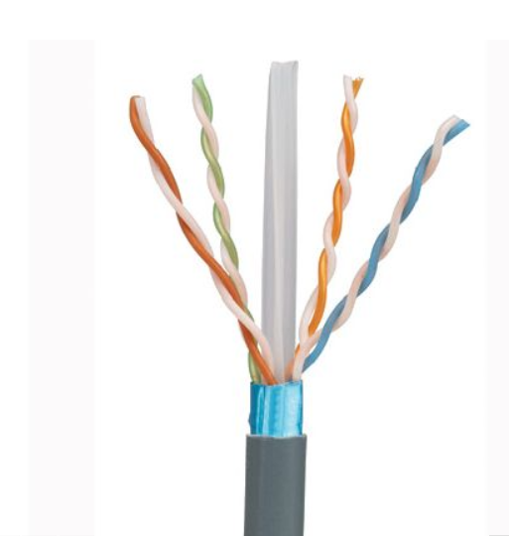
 | CABLE - F/UTP
 | PLENUM (CMP) |  | RISER (CMR)
Color | 0.260" OD |  | 0.265" OD
Blue | 7141586 |  | 7143586
White | 7141587 |  | 7143587
Gray | 7141592 |  | 7143589
Yellow | 7141588 |  | 7143588
Green | 7141592 |  | 7143592
Orange | 7141591 |  | 7143591
Red | 7141590 |  | 7143590
Purple | 7141593 |  | 7143593

U/FTP

 | CABLE - U/FTP
 | PLENUM |  | RISER
Color | 0.295" OD |  | 0.305" OD
Blue | 7131786 |  | 7133786
White | 7131787 |  | 7133787
Gray | 7131789 |  | 7133789
Yellow | 7131788 |  | 7133788
Green | 7131792 |  | 7133792
Orange | 7131791 |  | 7133791
Red | 7131790 |  | 7133790
Purple | 7133730 |  | 7133730

OUTDOOR

 | CABLE - OUTDOOR
Color | 0.365" OD
Black | 9136100

ARMORED

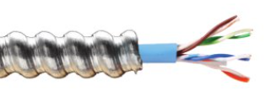
 | CABLE - Interlock Armored
 | RISER
Color | 0.450" OD
Blue | 9141300

JACKS UTP

JACKS - UTP
 | STANDARD |  |  |  |  |  |  |  | SHUTTERED |  |  | ANGLED UP/DOWN |  |  | ANGLED LEFT/RIGHT
Color * | Pkg 1 |  | Pkg 24 |  |  | Pkg 100 |  |  | Pkg 1 |  |  | Pkg 1 |  |  | Pkg 1
Blue | CJ6X88TGBU |  | CJ6X88TGBU-24 |  |  | CJ6X88TGBU-C |  |  | CJH6X88TGBU |  |  | CJUD6X88TGBU |  |  | CJLR6X88TGBU
Black | CJ6X88TGBL |  | CJ6X88TGBL-24 |  |  | CJ6X88TGBL-C |  |  | CJH6X88TGBL |  |  | CJUD6X88TGBL |  |  | CJLR6X88TGBL
White | CJ6X88TGWH |  | CJ6X88TGWH-24 |  |  | CJ6X88TGWH-C |  |  | CJH6X88TGWH |  |  | CJUD6X88TGWH |  |  | CJLR6X88TGWH
Off White | CJ6X88TGIW |  | CJ6X88TGIW-24 |  |  | CJ6X88TGIW-C |  |  | CJH6X88TGIW |  |  | CJUD6X88TGIW |  |  | CJLR6X88TGIW
Yellow | CJ6X88TGYL |  | CJ6X88TGYL-24 |  |  | CJ6X88TGYL-C |  |  | CJH6X88TGYL |  |  | CJUD6X88TGYL |  |  | CJLR6X88TGYL
Orange | CJ6X88TGOR |  | CJ6X88TGOR-24 |  |  | CJ6X88TGOR-C |  |  | CJH6X88TGOR |  |  | CJUD6X88TGOR |  |  | CJLR6X88TGOR
Green | CJ6X88TGGR |  | CJ6X88TGGR-24 |  |  | CJ6X88TGGR-C |  |  | CJH6X88TGGR |  |  | CJUD6X88TGGR |  |  | CJLR6X88TGGR
Red | CJ6X88TGRD |  | CJ6X88TGRD-24 |  |  | CJ6X88TGRD-C |  |  | CJH6X88TGRD |  |  | CJUD6X88TGRD |  |  | CJLR6X88TGRD

 | BOLD part numbers are Best Sellers
*Additional color options available at Panduit.com

JACKS STP

JACKS - STP
STANDARD
Color* | Pkg 1 |  | Pkg 24
Black | CJS6X88TGY |  | CJS6X88TGY-24
Blue | CJS6X88TGBUY |  | -

BOLD part numbers are Best Sellers
*Additional color options available at Panduit.com

PATCHCORDS UTP

PATCH CORDS - UTP

 |  | 28 AWG multiple standard lengths* |  |  |  |  | 28 AWG 6 inch length |  |  |  |  |  | 28 AWG 8 inch length
Color |  | Part Number |  |  |  |  | Part Number |  | Pkg 48 |  |  |  | Part Number |  | Pkg 48
Off White |  | UTP28X* |  |  |  |  | UTP28X6IN |  | UTP28X6IN-48 |  |  |  | UTP28X8IN |  | UTP28X8IN-48
Yellow |  | UTP28X*YL |  |  |  |  | UTP28X6INYL |  | UTP28X6INYL-48 |  |  |  | UTP28X8INYL |  | UTP28X8INYL-48
Blue |  | UTP28X*BU |  |  |  |  | UTP28X6INBU |  | UTP28X6INBU-48 |  |  |  | UTP28X8INBU |  | UTP28X8INBU-48
Black |  | UTP28X*BL |  |  |  |  | UTP28X6INBL |  | UTP28X6INBL-48 |  |  |  | UTP28X8INBL |  | UTP28X8INBL-48
Green |  | UTP28X*GR |  |  |  |  | UTP28X6INGR |  | UTP28X6INGR-48 |  |  |  | UTP28X8INGR |  | UTP28X8INGR-48
Red |  | UTP28X*RD |  |  |  |  | UTP28X6INRD |  | UTP28X6INRD-48 |  |  |  | UTP28X8INRD |  | UTP28X8INRD-48
Gray |  | UTP28X*GY |  |  |  |  | UTP28X6INGY |  | UTP28X6INGY-48 |  |  |  | UTP28X8INGY |  | UTP28X8INGY-48
Violet |  | UTP28X*VL |  |  |  |  | UTP28X6INVL |  | UTP28X6INVL-48 |  |  |  | UTP28X8INVL |  | UTP28X8INVL-48
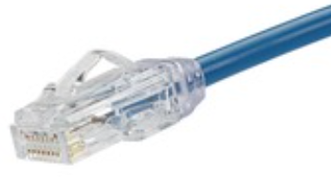
*STANDARD LENGTHS
Replace *
1-50 ft. (every 1 ft)
55-130 ft (every 5 ft)

BOLD part numbers are Best Sellers in lengths 1, 3, 5, 7, 10 ft.
*Additional color options available at Panduit.com

24 AWG |  |  |  |  |  |  |  | STANDARD LENGTHS
Color | Part Number |  |  |  |  |  |  | Replace *
Off White | UTP6AX* |  |  |  |  |  |  | 1-30 ft. (every 1 ft)
Yellow | UTP6AX*YL |  |  |  |  |  |  | 30-50 ft (every 5 ft)
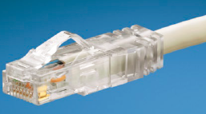
Blue | UTP6AX*BU
Black | UTP6AX*BL
Green | UTP6AX*GR
Red | UTP6AX*RD

BOLD part numbers are Best Sellers in lengths 1, 3, 5, 7, 10 ft.
*Additional color options available at Panduit.com

^2 DAY SHIPMENT
Guaranteed 2 day shipment on the individual packages listed above except VL and GY. Lengths 8 inch (28 AWG only), 1, 3, 5, 7, 10, 15 ft.

PATCHCORDS STP

PATCH CORDS - STP

26 AWG |  |  |  |  |  |  |  | STANDARD LENGTHS
Color | Part Number
Int'l Gray | STP6X*MIG |  |  |  |  |  |  | Replace * meter: 0.2, 0.5, 1, 1.5, 2, 2.5, 3, 5
Yellow | STP6X*MYL |  |  |  |  |  |  | 5 - 20 (every 1 m), 20 - 50 (every 5 m)
Blue | STP6X*MBU
Black | STP6X*MBL
Green | STP6X*MGR
Red | STP6X*MRD

BOLD part numbers are Best Sellers in lengths 1, 3, 5, 7, 10 meters.
*Additional color options available at Panduit.com

28 AWG
Color | Part Number
Int'l Gray | STP28X*MIG |  |  |  |  |  |  | STANDARD LENGTHS
Yellow | STP28X*MYL |  |  |  |  |  |  | Replace * meter:
Blue | STP28X*MBU |  |  |  |  |  |  | 0.2, 0.5, 1, 1.5, 2, 2.5, 3, 5
Black | STP28X*MBL |  |  |  |  |  |  | 5 - 20 (every 1 m), 20 - 40 (every 5 m)
Green | STP28X*MGR
Red | STP28X*MRD

*Additional color options available at Panduit.com
FIELD TERM PLUGS

FIELD TERM PLUGS & FIELDCORD
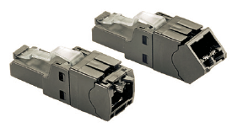
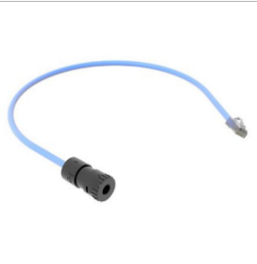
UTP |  |  |  |  |  |  |  |  |  |  |  | FieldCord Connectors
Part number | Termination cap |  | Pkg Qty |  |  |  |  |  |  |  |  | Part Number |  | Plug Type |  | Length (m) | Color
FP6X88MTG | Straight |  | 1 |  |  |  |  |  |  |  |  | FC-ICCP0.5MBU |  | Unshielded Plenum Connector Cord with Terminated Splice Connector |  | 0.5 | Blue
FP6X88MTG-X |  |  | 10 |  |  |  |  |  |  |  |  | FC-ICCP0.5MWH |  |  |  |  | White
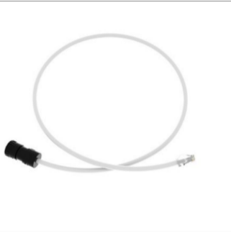
FPUD6X88MTG | UP/DOWN Angled |  | 1 |  |  |  |  |  |  |  |  | FC-ICCP1MBU |  |  |  | 1 | Blue
FPUD6X88MTG-X |  |  | 10 |  |  |  |  |  |  |  |  | FC-ICCP1MWH |  |  |  |  | White
 |  |  |  |  |  |  |  |  |  |  |  | FC-ICC/P3MBU |  | Unshielded Plenum Connector Cord with Loose Splice Connector |  | 3 | Blue
 |  |  |  |  |  |  |  |  |  |  |  | FC-ICC/P3MWH |  |  |  |  | White

FPS6X88TC | Test cord |  | 1 |  |  |  |  |  |  |  |  | FPS6X88TC |  | Test Cord |  | 1

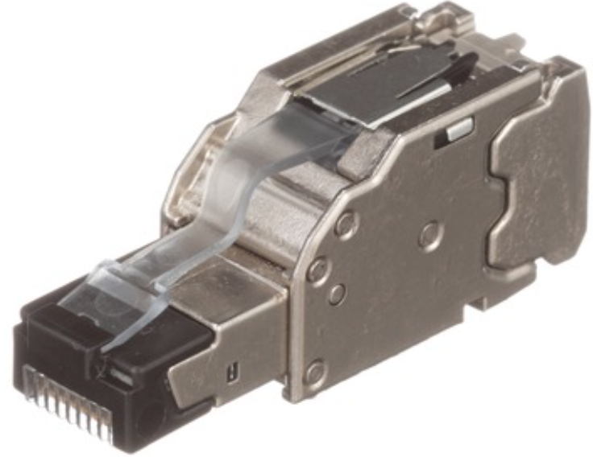
STP
Part number | Termination cap |  | Pkg Qty
FPS6X88MTG | Straight |  | 1
FPS6X88MTG-X |  |  | 10

*Compatible with Category 6A, Category 6 and 5e systems

BOLD part numbers are Best Sellers

PATCH PANELS 110

PATCH PANELS - 110 PUNCHDOWN

DP246X88TGY | 24 ports | Black | Flat Style | 1 RU |  |  |  | DP486X88TGY |  | 48 ports | Black | Flat Style | 2 RU

DPA246X88TGY | 24 ports | Black | Angled Style | 1 RU |  |  |  | DPA486X88TGY |  | 48 ports | Black | Angled Style | 2 RU

BOLD part numbers are Best Sellers

SECURITY DEVICES

SECURITY DEVICES
Block out device for Jacks |  |  |  |  |  |  |  |  |  | Lock In device for Patch Cords
Part Number | Color* | Qty* |  |  |  |  |  |  |  | Standard |  | Recessed |  | Color* | Qty*
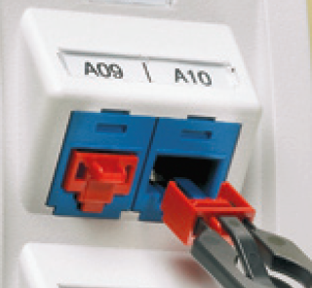
PSL-DCJB | Red | 10 |  |  |  |  |  |  |  | PSL-DCPLE |  | PSL-DCPLRE |  | Red | 10
PSL-DCJB-BL | Black | 10 |  |  |  |  |  |  |  | PSL-DCPLE-BL |  | PSL-DCPLRE-BL |  | Black | 10
PSL-DCJB-IW | Off White | 10 |  |  |  |  |  |  |  | PSL-DCPLE-YL |  | PSL-DCPLRE-YL |  | Yellow | 10

 |  |  |  |  | * | Add -C for package of 100 devices with 5 keys
 |  |  |  |  |  | Additional colors available at Panduit.com

Cat 6
 |  |  |  | INDEX
 |  |  |  | Cable - U/UTP Plenum |  | Cable - Extended Distance |  |  | Field Term Plug STP
 |  |  |  | Cable - U/UTP Riser |  | Jacks UTP |  |  | Punchdown Patch Panels
 |  |  |  | Cable - F/UTP |  | Jacks STP |  |  | Security Device BLOCK jacks
Category 6 |  |  |  | Cable - Armored |  | Patch Cords UTP |  |  | Security Device LOCK cords
 |  |  |  | Cable - Outdoor |  | Field Term Plug UTP

CABLE U/UTP PLENUM

 | CABLE - U/UTP
 | PLENUM (CMP)
 | GenSPEED 6500 - PREMIUM |  |  |  |  | GenSPEED 6000 - ENHANCED |  |  |  |  |  | GenSPEED 6 - STANDARD COMPLIANT + LP |  |  |  | GenSPEED 6 - STANDARD COMPLIANT
 | 0.255" OD |  |  |  |  | 0.215" OD |  |  |  |  |  | 0.205" OD |  |  |  | 0.205" OD
Color | Spool-Pac® |  |  |  |  | Pull-Pac® |  |  |  |  |  | Pull-Pac® |  |  |  | Pull-Pac®
Blue | 7131930 |  |  |  |  | 7131900 |  |  |  |  |  | 7131800 |  |  |  | 7131100
White | 7131931 |  |  |  |  | 7131901 |  |  |  |  |  | 7131801 |  |  |  | 7131101
Gray | 7131933 |  |  |  |  | 7131903 |  |  |  |  |  | 7131803 |  |  |  | 7131103
Yellow | 7131932 |  |  |  |  | 7131902 |  |  |  |  |  | 7131802 |  |  |  | 7131102
Green | 7131936 |  |  |  |  | 7131906 |  |  |  |  |  | 7131806 |  |  |  | 7131106
Black | 7131937 |  |  |  |  | 7131907 |  |  |  |  |  | 7131807 |  |  |  | 7131107
Orange | 7131935 |  |  |  |  | 7131905 |  |  |  |  |  | 7131805 |  |  |  | 7131105
Red | 7131934 |  |  |  |  | 7131904 |  |  |  |  |  | 7131804 |  |  |  | 7131104
Purple | 7131939 |  |  |  |  | 7131909 |  |  |  |  |  | 7131809 |  | LP Listed 0.6a up to 120W |  | 7131109 | New Part Numbers
Pink | 7131938 |  |  |  |  | 7131908 |  |  |  |  |  | 7131808 |  |  |  | 7131108

CABLE U/UTP RISER

 | CABLE - U/UTP
 | RISER (CMR)
 | GenSPEED 6500 - PREMIUM |  |  |  |  | GenSPEED 6000 - ENHANCED |  |  |  |  |  | GenSPEED 6 - STANDARD COMPLIANT
 | 0.260" OD |  |  |  |  | 0.235" OD |  |  |  |  |  | 0.220" OD
Color | Spool |  |  |  |  | Pull-Pac® |  |  |  |  |  | Pull-Pac®
Blue | 7133970 |  |  |  |  | 7133900 |  |  |  |  |  | 7133800
White | 7133971 |  |  |  |  | 7133901 |  |  |  |  |  | 7133801
Gray | 7133973 |  |  |  |  | 7133903 |  |  |  |  |  | 7133803
Yellow | 7133972 |  |  |  |  | 7133902 |  |  |  |  |  | 7133802
Green | 7133976 |  |  |  |  | 7133906 |  |  |  |  |  | 7133806
Black | 7133977 |  |  |  |  | 7133907 |  |  |  |  |  | 7133807
Orange | 7133975 |  |  |  |  | 7133905 |  |  |  |  |  | 7133805
Red | 7133974 |  |  |  |  | 7133904 |  |  |  |  |  | 7133804
Purple | 7133979 |  |  |  |  | 7133909 |  |  |  |  |  | 7133809
Pink | 7133978 |  |  |  |  | 7133908 |  |  |  |  |  | 7133808

CABLE F/UTP
PLENUM & RISER

 | CABLE - F/UTP
 | PLENUM |  |  | RISER
Color | 0.298" OD |  |  | 0.310" OD
Blue | 6131785 |  |  | 6133785
White | 6131787 |  |  | 6133787
Gray | 6131789 |  |  | 6133789
Yellow | 6131788 |  |  | 6133788
Green | 6131792 |  |  | 6133792
Orange | 6131791 |  |  | 6133791
Red | 6131790 |  |  | 6133790

CABLE ARMORED

 | CABLE - Interlock Armored
 | RISER
Color | 0.450" OD
Blue | 9133300
White | 9133305

CABLE OUTDOOR

 | CABLE - OUTDOOR
Color | 0.250" OD
Black | 7136100

EXTENDED
DISTANCE

 | CABLE - U/UTP
 | PLENUM
Color | 0.245" OD
Blue | 8131800
White | 8131801
Gray | 8131803
Yellow | 8131802
Green | 8131806
Orange | 8131805
Red | 8131804
 | CABLE - OSP
 | Outside Plant
Color | 0.295" OD
Blue | 8146100

JACKS UTP

JACKS - UTP
STANDARD |  |  |  |  |  |  | SHUTTERED |  |  | ANGLED UP/DOWN |  |  | ANGLED LEFT/RIGHT
Color | Pkg 1 |  | Pkg 24 |  | Pkg 100 |  | Pkg 1 |  |  | Pkg 1 |  |  | Pkg 1
Blue | CJ688TGBU |  | CJ688TGBU-24 |  | CJ688TGBU-C |  | CJH688TGBU |  |  | CJUD688TGBU |  |  | CJLR688TGBU
Black | CJ688TGBL |  | CJ688TGBL-24 |  | CJ688TGBL-C |  | CJH688TGBL |  |  | CJUD688TGBL |  |  | CJLR688TGBL
White | CJ688TGWH |  | CJ688TGWH-24 |  | CJ688TGWH-C |  | CJH688TGWH |  |  | CJUD688TGWH |  |  | CJLR688TGWH
Off White | CJ688TGIW |  | CJ688TGIW-24 |  | CJ688TGIW-C |  | CJH688TGIW |  |  | CJUD688TGIW |  |  | CJLR688TGIW
Yellow | CJ688TGYL |  | CJ688TGYL-24 |  | CJ688TGYL-C |  | CJH688TGYL |  |  | CJUD688TGYL |  |  | CJLR688TGYL
Orange | CJ688TGOR |  | CJ688TGOR-24 |  | CJ688TGOR-C |  | CJH688TGOR |  |  | CJUD688TGOR |  |  | CJLR688TGOR
Green | CJ688TGGR |  | CJ688TGGR-24 |  | CJ688TGGR-C |  | CJH688TGGR |  |  | CJUD688TGGR |  |  | CJLR688TGGR
Red | CJ688TGRD |  | CJ688TGRD-24 |  | CJ688TGRD-C |  | CJH688TGRD |  |  | CJUD688TGRD |  |  | CJLR688TGRD

 | BOLD part numbers are Best Sellers

JACKS STP

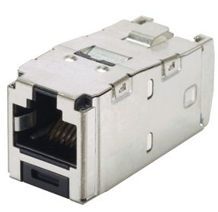
JACKS - STP
STANDARD
Color* | Pkg 1 |  | Pkg 24
Black | CJS688TGY |  | CJS688TGY-24
Blue | CJS688TGBUY |  | -

 | BOLD part numbers are Best Sellers

*Additional color options available at Panduit.com

PATCHCORDS UTP

PATCH CORDS - UTP

28 AWG |  |  |  |  |  |  | STANDARD LENGTHS
Color | Part Number |  | 6 inch |  | 8 inch |  | Replace *
Off White | UTP28SP* |  | UTP28SP6IN |  | UTP28SP8IN |  | 1-50 ft. (every 1 ft)
Yellow | UTP28SP*YL |  | UTP28SP6INYL |  | UTP28SP8INYL |  | 55-130 ft (every 5 ft)
Blue | UTP28SP*BU |  | UTP28SP6INBU |  | UTP28SP8INBU
Black | UTP28SP*BL |  | UTP28SP6INBL |  | UTP28SP8INBL
Green | UTP28SP*GR |  | UTP28SP6INGR |  | UTP28SP8INGR
Red | UTP28SP*RD |  | UTP28SP6INRD |  | UTP28SP8INRD

BOLD part numbers are Best Sellers in lengths 1, 3, 5, 7, 10 ft
*Additional color options available at Panduit.com

24 AWG |  |  |  |  |  |  | STANDARD LENGTHS
Color | Part Number |  |  |  |  |  | Replace *
Off White | UTPSP*Y |  |  |  |  |  | 1-50 ft. (every 1 ft)
Yellow | UTPSP*YLY |  |  |  |  |  | 55-130 ft (every 5 ft)
Blue | UTPSP*BUY
Black | UTPSP*BLY
Green | UTPSP*GRY
Red | UTPSP*RDY

BOLD part numbers are Best Sellers in lengths 1, 3, 5, 7, 10 ft
*Additional color options available at Panduit.com

^2 DAY SHIPMENT
Guaranteed 2 day shipment on all patch cord selection listed above in lengths: 8 inch (28 AWG only), 1, 3, 5, 7, 10, 15 ft.

FIELD TERM PLUGS

FIELD TERM PLUGS & FIELDCORD

*Field Terminable - UTP |  |  |  |  |  |  |  |  | FieldCord Connectors
Part Number | Termination cap |  | Pkg Qty |  |  |  |  |  | Part Number |  | Plug Type |  |  | Length (m) | Color
FP6X88MTG | Straight |  | 1 |  |  |  |  |  | FC-ICCP0.5MBU |  | Unshielded Plenum Connector Cord with Terminated Splice Connector |  |  | 0.5 | Blue
FP6X88MTG-X |  |  | 10 |  |  |  |  |  | FC-ICCP0.5MWH |  |  |  |  |  | White
FPUD6X88MTG | UP/DOWN Angled |  | 1 |  |  |  |  |  | FC-ICCP1MBU |  |  |  |  | 1 | Blue
FPUD6X88MTG-X |  |  | 10 |  |  |  |  |  | FC-ICCP1MWH |  |  |  |  |  | White
 |  |  |  |  |  |  |  |  | FC-ICC/P3MBU |  | Unshielded Plenum Connector Cord with Loose Splice Connector |  |  | 3 | Blue
 |  |  |  |  |  |  |  |  | FC-ICC/P3MWH |  |  |  |  |  | White

FPS6X88TC | Test cord |  | 1 |  |  |  |  |  | FPS6X88TC |  | Test Cord |  |  | 1

STP
Part number | Termination cap |  | Pkg Qty
FPS6X88MTG | Straight |  | 1
FPS6X88MTG-X |  |  | 10

*Compatible with Category 6A, Category 6 and 5e systems

BOLD part numbers are Best Sellers

PATCH PANELS 110

PATCH PANELS - 110 PUNCHDOWN

DP24688TGY | 24 ports | Black | Flat Style | 1 RU |  | DP48688TGY |  | 48 ports | Black | Flat Style | 2 RU

DPA24688TGY | 24 ports | Black | Angled Style | 1 RU |  | DPA48688TGY |  | 48 ports | Black | Angled Style | 2 RU

BOLD part numbers are Best Sellers

SECURITY DEVICES

SECURITY DEVICES
Block out device for Jacks |  |  |  |  |  |  |  | Lock In device for Patch Cords
Part Number | Color* | Qty* |  |  |  |  |  | Standard |  | Recessed |  | Color* | Qty*
PSL-DCJB | Red | 10 |  |  |  |  |  | PSL-DCPLE |  | PSL-DCPLRE |  | Red | 10
PSL-DCJB-BL | Black | 10 |  |  |  |  |  | PSL-DCPLE-BL |  | PSL-DCPLRE-BL |  | Black | 10
PSL-DCJB-IW | Off White | 10 |  |  |  |  |  | PSL-DCPLE-YL |  | PSL-DCPLRE-YL |  | Yellow | 10

 |  |  |  | * | Add -C for package of 100 devices with 5 keys
 |  |  |  |  | Additional colors available at Panduit.com

Cat 5e
 |  |  |  | INDEX
 |  |  |  | Cable - U/UTP |  |  | Patch Cords UTP
 |  |  |  | Cable - Armored |  |  | Patch Cords STP
 |  |  |  | Cable - Outdoor |  |  | Punchdown Patch Panels
Category 5e |  |  |  | Jacks UTP |  |  | Security Device BLOCK jacks
 |  |  |  | Jacks STP |  |  | Security Device LOCK cords

CABLE U/UTP PLENUM

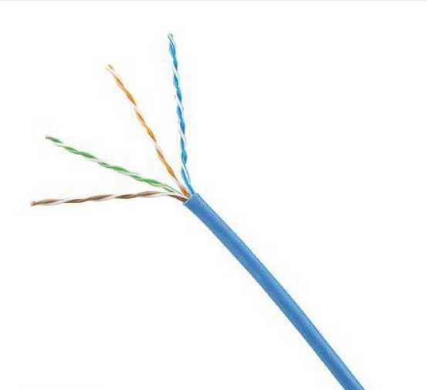
 | GenSPEED Cable - U/UTP
 | PLENUM |  |  | RISER |  |  | PLENUM |  |  | RISER |  |  | PLENUM |  | RISER
 | GenSPEED 5000 - Standard |  |  |  |  |  | GenSPEED 5000 - Standard |  |  |  |  |  | GenSPEED 5000 - Standard
Color | Spool |  |  |  |  |  | Spool - Pac® |  |  |  |  |  | Pull-Pac® II
Blue | 5131282E |  |  | 5133300E |  |  | 5131431E |  |  | 5133374E |  |  | 5131278E |  | 5133299E
White | 5131365E |  |  | 5133250E |  |  | 5131450E |  |  | 5133342E |  |  | 5131361E |  | 5133255E
Gray | 5131475E |  |  | 5133204E |  |  | 5131456E |  |  | 5133329E |  |  | 5131418E |  | 5133200E
Yellow | 5131648E |  |  | N/A |  |  | 5131546E |  |  | 5133338E |  |  | 5131379E |  | 5133289E
Green | 5131649E |  |  | 5133649E |  |  | 5131575E |  |  | 5133693E |  |  | 5131547E |  | 5133512E
Black | 5131689E |  |  | N/A |  |  | N/A |  |  | N/A |  |  | 5131683E |  | 5133696E
Orange | N/A |  |  | 5133667E |  |  | N/A |  |  | N/A |  |  | 5131422E |  | 5133383E
Red | 5131383E |  |  | N/A |  |  | 5131553E |  |  | 5133427E |  |  | 5131477E |  | 5133274E
Purple | N/A |  |  | N/A |  |  | N/A |  |  | N/A |  |  | 5131730E |  | 5133455E
Pink | N/A |  |  | N/A |  |  | 5131478E |  |  | 5133447E |  |  | 5131380E |  | 5133290E

CABLE ARMORED

 | CABLE - Interlock Armored
 | RISER
Color | 0.450" OD
Blue | 8133300
White | 8133305

CABLE OUTDOOR

 | CABLE - OUTDOOR
 | RISER
Color | 0.230" OD
Black | 5136100

JACKS UTP

JACKS - UTP
STANDARD |  |  |  |  |  |  |  | SHUTTERED |  |  | 28/30AWG
Color* | Pkg 1 |  | Pkg 24 |  | Pkg 100 |  |  | Pkg 1 |  |  | Pkg 1
Blue | CJ5E88TGBU |  | CJ5E88TGBU-24 |  | CJ5E88TGBU-C |  |  | CJH5E88TGBU |  |  | CJT5E88TGBU
Black | CJ5E88TGBL |  | CJ5E88TGBL-24 |  | CJ5E88TGBL-C |  |  | CJH5E88TGBL |  |  | CJT5E88TGBL
White | CJ5E88TGWH |  | CJ5E88TGWH-24 |  | CJ5E88TGWH-C |  |  | CJH5E88TGWH |  |  | CJT5E88TGWH
Off White | CJ5E88TGIW |  | CJ5E88TGIW-24 |  | CJ5E88TGIW-C |  |  | CJH5E88TGIW |  |  | CJT5E88TGIW

*Additional colors available at Panduit.com

JACKS STP

JACKS - STP
STANDARD |  |  |  |  |  |  |  | SHUTTERED
Color* | Pkg 1 |  | Pkg 24 |  |  |  |  | Pkg 1
Black | CJS5E88TGY |  | CJS5E88TGY-24 |  |  |  |  | CJSH5E88TGY

*Additional colors available at Panduit.com

PATCHCORDS UTP

PATCH CORDS - UTP

28 AWG |  |  |  |  |  |  | STANDARD LENGTHS
Color* | Pkg 1 |  |  |  |  |  | Replace *
Off White | UTP28CH* |  |  |  |  |  | 1-50 ft. (every 1 ft)
Blue | UTP28CH*BU |  |  |  |  |  | 55-130 ft (every 5 ft)

24 AWG |  |  |  |  |  |  | STANDARD LENGTHS
Color* | Pkg 1 |  |  |  |  |  | Replace *
Off White | UTPCH*Y |  |  |  |  |  | 1-50 ft. (every 1 ft)
Blue | UTPCH*BUY |  |  |  |  |  | 55-200 ft (every 5 ft)

*Additional colors available at Panduit.com

PATCHCORDS STP

PATCH CORDS - STP

26 AWG F/UTP |  |  |  |  |  | STANDARD LENGTHS
Color | Pkg 1 |  |  |  |  | Replace * 0.5 - 10m (every 0.5m) 11-20m (every 1m) 25-60m (every 5m)
Blue | STPCH*MBBU
Black | STPCH*MBBL

Color in part number represents the color of the boot, color of cable is International Gray

PATCH PANELS 110

PATCH PANELS - 110 PUNCHDOWN

DP245e88TGY | 24 ports | Black | Flat Style | 1 RU |  |  | DP485e88TGY |  | 48 ports | Black | Flat Style | 2 RU
DP245e88TGWH |  | White |  |  |  |  | DP485e88TGWH |  |  | White

DPA245e88TGY | 24 ports | Black | Angled Style | 1 RU |  |  | DPA485e88TGY |  | 48 ports | Black | Angled Style | 2 RU
DPA245e88TGWH |  | White |  |  |  |  | DPA485e88TGWH |  |  | White

SECURITY DEVICES

SECURITY DEVICES
Block out device for Jacks |  |  |  |  |  |  |  |  | Lock In device for Patch Cords
Part Number | Color* | Qty* |  |  |  |  |  |  | Standard |  | Recessed |  | Color* | Qty*
PSL-DCJB | Red | 10 |  |  |  |  |  |  | PSL-DCPLX |  | PSL-DCPLRX |  | Red | 10
PSL-DCJB-BL | Black | 10 |  |  |  |  |  |  | PSL-DCPLX-BL |  | PSL-DCPLRX-BL |  | Black | 10
PSL-DCJB-IW | Off White | 10 |  |  |  |  |  |  | PSL-DCPLX-YL |  | PSL-DCPLRX-YL |  | Yellow | 10

 |  |  |  | * | Add -C for package of 100 devices with 5 keys
 |  |  |  |  | Additional colors available at Panduit.com

Fiber
 |  |  |  | INDEX
 |  |  |  | Cable- Indoor |  |  |  |  | Cable- Indoor Armored |  |  |  | OptiCam Tools and AcHBssories
 |  |  |  | Cable-Indoor/Outdoor |  |  |  |  | Cable-Indoor/Outdoor Armored |  |  |  | Fiber Connectors
 |  |  |  | Cable-Indoor/Outdoor Tight Buffered |  |  |  |  | Cable-Indoor/Outdoor Tight Buffered Armored
Fiber Cable Solutions |  |  |  | Cable-Outside Plant |  |  |  |  | Cable-Outside Plant Armored

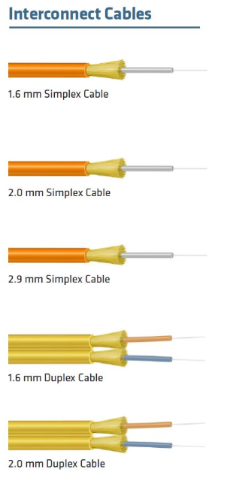
Portfolio of Products
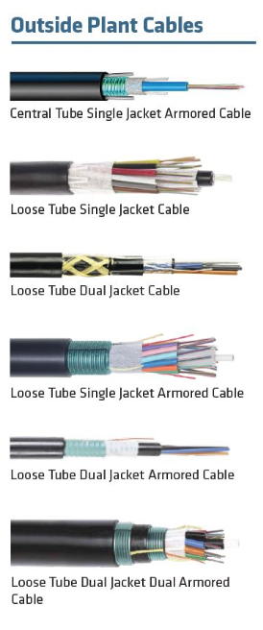
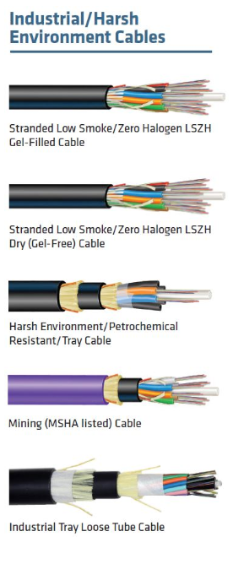
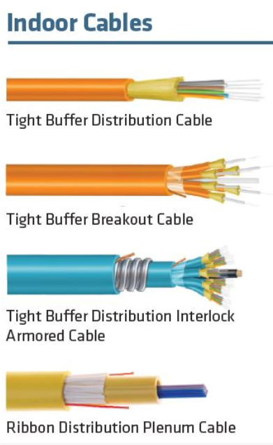
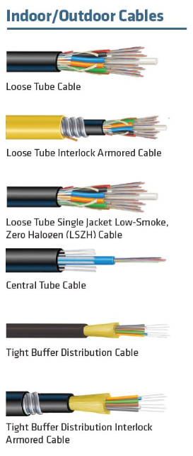

 | Click here for full product offering

Cable-Indoor

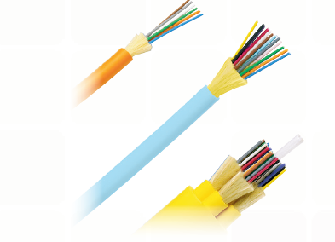
CABLE-INDOOR - Tight Buffered, FR
Riser- 900um |  |  |  |  |  |  |  |  | Plenum- 900um
 | 6 | 12 | 24 | 48 | 72 | 96 | 144 |  |  | 6 | 12 | 24 | 48 | 72 | 96 | 144
OS2 | F-400-00-B1-006-EA | F-400-00-HB-012-EA | F-400-00-B1-024-EA | F-400-12-HB-048-EA | F-400-12-HB-072-EA | F-400-12-HB-096-EA | F-400-12-HB-144-EA |  | OS2 | F-800-00-HB-006-EA | F-800-00-HB-012-EA | F-800-00-HB-024-EA | F-800-12-HB-048-EA | F-800-12-HB-072-EA | F-800-12-HB-096-EA | F-800-12-HB-144-EA
OM1 | F-400-00-G6-002-M2 | F-400-00-G6-012-M2 | F-400-00-G6-024-M2 | F-400-12-G6-048-M2 | F-400-12-G6-072-M2 | F-400-12-G6-096-M2 | F-400-12-G6-144-M2 |  | OM1 | F-800-00-6S-006-M2 | F-800-00-G6-012-M2 | F-800-00-6S-024-M2 | F-800-12-6S-048-M2 | F-800-12-G6-072-M2 | F-800-12-G6-096-M2 | F-800-12-G6-144-M2
OM3 | F-400-00-5F-006-M3 | F-400-00-G3-012-M3 | F-400-00-G3-024-M3 | F-400-12-G3-048-M3 | F-400-12-G3-072-M3 | F-400-12-G3-096-M3 | F-400-12-G3-144-M3 |  | OM3 | F-800-00-C3-006-M3 | F-800-00-G3-012-M3 | F-800-00-5F-024-M1 | F-800-12-5F-048-M3 | F-800-12-G3-072-M3 | F-800-12-G3-096-M3 | F-800-12-G3-144-M3
OM4 | F-400-00-G4-006-M3 | F-400-00-5G-012-M1 | F-400-00-G4-024-M3 | F-400-12-G4-048-M3 | F-400-12-G4-072-M3 | F-400-12-G4-096-M3 | F-400-12-G4-144-M3 |  | OM4 | F-800-00-G4-006-M3 | F-800-00-C4-012-M3 | F-800-00-G4-024-M3 | F-800-12-G4-048-M3 | F-800-12-G4-072-M3 | F-800-12-G4-096-M3 | F-800-12-G4-144-M3

Cable-Indoor Armored

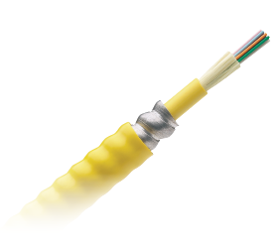
CABLE-INDOOR - Tight Buffered, Armored, FR
Riser- 900um |  |  |  |  |  |  |  |  | Plenum- 900um
 | 6 | 12 | 24 | 48 | 72 | 96 | 144 |  |  | 6 | 12 | 24 | 48 | 72 | 96 | 144
OS2 | F-400AJ-00-HB-006-EA | F-400AJ-00-HB-012-EA | F-400AJ-00-HB-024-EA | F-400AJ-00-HB-048-EA | F-400AJ-12-HB-072-EA | F-400AJ-12-HB-096-EA | F-400AJ-12-CU-144-EA |  | OS2 | F-800AJ-00-HB-006-EA | F-800AJ-00-HB-012-EA | F-800AJ-00-HB-024-EA | F-800AJ-12-HB-048-EA | F-800AJ-12-HB-072-EA | F-800AJ-12-HB-096-EA | F-800AJ-12-HB-144-EA
OM1 | F-400AJ-00-G6-006-M2 | F-400AJ-00-G6-012-M2 | F-400AJ-00-G6-024-M2 | F-400AJ-12-G6-048-M2 | F-400AJ-12-G6-0-72-M2 | F-400AJ-12-G6-096-M2 | F-400AJ-12-G6-144-M2 |  | OM1 | F-800AJ-00-6S-006-M2 | F-800AJ-00-6S-012-M2 | F-800AJ-00-6S-024-M2 | F-800AJ-12-G6-048-M2 | F-800AJ-12-G6-072-M2 | F-800AJ-12-G6-096-M2 | F-800AJ-12-G6-144-M2
OM3 | F-400AJ-00-G3-006-M3 | F-400AJ-00-G3-012-M3 | F-400AJ-00-G3-024-M3 | F-400AJ-12-G3-048-M3 | F-400AJ-12-G3-072-M3 | F-400AJ-12-G3-096-M3 | F-400AJ-12-G3-144-M3 |  | OM3 | F-800AJ-00-G3-006-M3 | F-800AJ-00-5F-012-M3 | F-800AJ-00-5F-024-M1 | F-800AJ-00-5F-048-M1 | F-800AJ-12-G3-072-M3 | F-800AJ-12-G3-096-M3 | F-800AJ-12-G3-144-M3
OM4 | F-400AJ-00-G4-006-M3 | F-400AJ-00-G4-012-M3 | F-400AJ-00-G4-024-M3 | F-400AJ-12-G4-048-M3 | F-400AJ-12-G4-072-M3 | F-400AJ-12-G4-096-M3 | F-400AJ-12-G4-144-M3 |  | OM4 | F-800AJ-00-G4-006-M3 | F-800AJ-00-5G-012-M3 | F-800AJ-00-G4-024-M3 | F-800AJ-12-G4-048-M3 | F-800AJ-12-G4-072-M3 | F-800AJ-12-G4-096-M3 | F-800AJ-12-G4-144-M3

Cable-Indoor
Outdoor

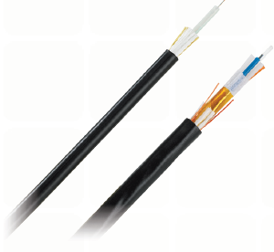
CABLE-INDOOR / OUTDOOR - Loose Tube FR
Riser- 250um |  |  |  |  |  |  |  |  | Plenum- 250um
 | 6 | 12 | 24 | 48 | 72 | 96 | 144 |  |  | 6 | 12 | 24 | 48 | 72 | 96 | 144
OS2 | F-DRLDB-00-HB-006-E3 | F-DRLDB-00-HB-012-E3 | F-DRLDB-12-HB-024-E3 | F-DRLDB-12-HB-048-E3 | F-DRLDB-12-HB-072-E3 | F-DRLDB-12-HB-096-E3 | F-DRLDB-12-HB-0144-E3 |  | OS2 | F-DPLDB-00-HB-006-E1 | F-DPLDB-00-HB-012-E3 | F-DPLDB-12-HB-024-E3 | F-DPLDB-12-HB-048-E3 | F-DPLDB-12-HB-072-E3 | F-DPLDB-12-HB-096-E3 | F-DPLDB-12-HB-144-E3
OM1 | F-DRLDB-00-G6-006-M2 | F-DRLDB-00-G6-012-M2 | F-DRLDB-12-6S-024-M2 | F-DRLDB-12-6S-048-M2 | F-DRLDB-12-6S-072-M2 | F-DRLDB-12-G6-096-M2 | F-DRLDB-12-G6-144-M2 |  | OM1 | F-DPLDB-00-6S-006-M2 | F-DPLDB-12-6S-012-M2 | F-DPLDB-12-6S-024-M2 | F-DPLDB-12-G6-048-M2 | F-DPLDB-12-6S-072-M2 | F-DPLDB-12-G6-096-M2 | F-DPLDB-12-G6-144-M2
OM3 | F-DRLDB-00-G3-006-M3 | F-DRLDB-00-5F-012-M3 | F-DRLDB-00-5F-024-M3 | F-DRLDB-12-G3-048-M3 | F-DRLDB-12-G3-072-M3 | F-DRLDB-12-G3-096-M3 | F-DRLDB-12-G3-144-M3 |  | OM3 | F-DPLDB-00-5F-006-M3 | F-DPLDB-00-5F-012-M3 | F-DPLDB-12-G3-024-M3 | F-DPLDB-12-G3-048-M3 | F-DPLDB-12-G3-072-M3 | F-DPLDB-12-G3-096-M3 | F-DPLDB-12-G3-144-M3
OM4 | F-DRLDB-00-G4-006-M3 | F-DRLDB-00-G4-012-M3 | F-DRLDB-12-5G-024-M3 | F-DRLDB-12-5G-048-M3 | F-DRLDB-12-G4-072-M3 | F-DRLDB-12-G4-096-M3 | F-DRLDB-12-G4-144-M3 |  | OM4 | F-DPLDB-00-G4-006-M3 | F-DPLDB-00-G4-012-M3 | F-DPLDB-12-G4-024-M3 | F-DPLDB-12-G4-048-M3 | F-DPLDB-12-G4-072-M3 | F-DPLDB-12-G4-096-M3 | F-DPLDB-12-G4-144-M3

Cable-Indoor
Outdoor Armored

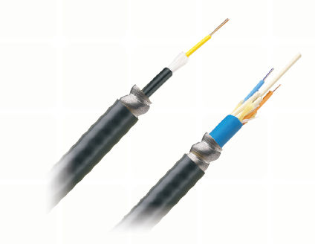
CABLE-INDOOR / OUTDOOR - Loose Tube, Armored, FR
Riser- 250um |  |  |  |  |  |  |  |  | Plenum- 250um
 | 6 | 12 | 24 | 48 | 72 | 96 | 144 |  |  | 6 | 12 | 24 | 48 | 72 | 96 | 144
OS2 | F-DRLDBAJ-00-HB-006-E3 | F-DRLDBAJ-00-HB-012-E3 | F-DRLDBAJ-12-HB-024-E3 | F-DRLDBAJ-12-HB-048-E3 | F-DRLDBAJ-12-HB-072-E3 | F-DRLDBAJ-12-HB-096-E3 | F-DRLDBAJ-12-HB-0144-E3 |  | OS2 | F-DPLDBAJ-00-HB-006-E1 | F-DPLDBAJ-00-HB-012-E3 | F-DPLDBAJ-12-HB-024-E3 | F-DPLDBAJ-12-HB-048-E3 | F-DPLDBAJ-12-HB-072-E3 | F-DPLDBAJ-12-HB-096-E3 | F-DPLDBAJ-12-HB-144-E3
OM1 | F-DRLDBAJ-00-G6-006-M2 | F-DRLDBAJ-00-G6-012-M2 | F-DRLDBAJ-12-6S-024-M2 | F-DRLDBAJ-12-6S-048-M2 | F-DRLDBAJ-12-6S-072-M2 | F-DRLDBAJ-12-G6-096-M2 | F-DRLDBAJ-12-G6-144-M2 |  | OM1 | F-DPLDBAJ-00-6S-006-M2 | F-DPLDBAJ-12-6S-012-M2 | F-DPLDBAJ-12-6S-024-M2 | F-DPLDBAJ-12-G6-048-M2 | F-DPLDBAJ-12-6S-072-M2 | F-DPLDBAJ-12-G6-096-M2 | F-DPLDBAJ-12-G6-144-M2
OM3 | F-DRLDBAJ-00-G3-006-M3 | F-DRLDBAJ-00-5F-012-M3 | F-DRLDBAJ-00-5F-024-M3 | F-DRLDBAJ-12-G3-048-M3 | F-DRLDBAJ-12-G3-072-M3 | F-DRLDBAJ-12-G3-096-M3 | F-DRLDBAJ-12-G3-144-M3 |  | OM3 | F-DPLDBAJ-00-5F-006-M3 | F-DPLDBAJ-00-5F-012-M3 | F-DPLDBAJ-12-G3-024-M3 | F-DPLDBAJ-12-G3-048-M3 | F-DPLDBAJ-12-G3-072-M3 | F-DPLDBAJ-12-G3-096-M3 | F-DPLDBAJ-12-G3-144-M3
OM4 | F-DRLDBAJ-00-G4-006-M3 | F-DRLDBAJ-00-G4-012-M3 | F-DRLDBAJ-12-5G-024-M3 | F-DRLDBAJ-12-5G-048-M3 | F-DRLDBAJ-12-G4-072-M3 | F-DRLDBAJ-12-G4-096-M3 | F-DRLDBAJ-12-G4-144-M3 |  | OM4 | F-DPLDBAJ-00-G4-006-M3 | F-DPLDBAJ-00-G4-012-M3 | F-DPLDBAJ-12-G4-024-M3 | F-DPLDBAJ-12-G4-048-M3 | F-DPLDBAJ-12-G4-072-M3 | F-DPLDBAJ-12-G4-096-M3 | F-DPLDBAJ-12-G4-144-M3

Cable-Indoor
Outdoor Tight Buffer

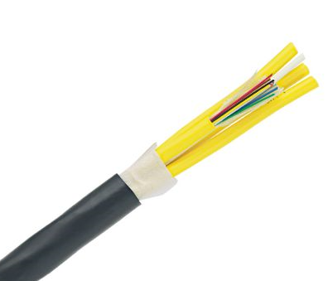
CABLE-INDOOR / OUTDOOR - Tight Buffer
Riser-900um |  |  |  |  |  |  |  |  | Plenum- 900um
 | 6 | 12 | 24 | 48 | 72 | 96 | 144 |  |  | 6 | 12 | 24 | 48 | 72 | 96 | 144
OS2 | F-C1181-00-HB-006-EA | F-C1181-00-HB-012-EA | F-C1181-00-HB-024-EA | f-C1181-12-HB-048-EA | F-C1181-12-HB-072-EA | F-C1181-12-HB-096-EA | F-C1181-12-HB-144-EA |  | OS2 | F-C1182-00-HB-006-EA | F-C1182-00-HB-012-EA | F-C1182-00-HB-024-EA | F-C1182-12-HB-048-EA | F-C1182-12-HB-072-EA | F-C1182-12-HB-096-EA | F-C1182-12-HB-144-EA
OM1 | F-C1181-00-6S-006-M2 | F-C1181-00-6S-012-M2 | F-C1181-00-G6-024-M2 | F-C1181-12-G6-048-M2 | F-C1181-12-G6-072-M2 | F-C1181-12-G6-096-M2 | F-C1181-12-G6-144-M2 |  | OM1 | F-C1182-00-6S-006-M2 | F-C1182-00-6S-012-M2 | F-C1182-00-G6-024-M2 | F-C1182-12-G6-048-M2 | F-C1182-12-G6-072-M2 | F-C1182-12-G6-096-M2 | F-C1182-12-G6-144-M2
OM3 | F-C1181-00-G3-006-M3 | F-C1181-00-G3-012-M3 | F-C1181-00-G3-024-M3 | F-C1181-12-G3-048-M3 | F-C1181-12-G3-072-M3 | F-C1181-12-G3-096-M3 | F-C1181-12-G3-144-M3 |  | OM3 | F-C1182-00-G3-006-M3 | F-C1182-00-G3-012-M3 | F-C1182-00-G3-024-M3 | F-C1182-12-G3-048-M3 | F-C1182-12-G3-072-M3 | F-C1182-12-G3-096-M3 | F-C1182-12-G3-144-M3
OM4 | F-C1181-00-G4-006-M3 | F-C1181-00-5G-012-M3 | F-C1181-00-G4-024-M3 | f-C1181-12-G4-048-M3 | F-C1181-12-G3-072-M4 | F-C1181-12-G4-096-M3 | F-C1181-12-G4-144-M3 |  | OM4 | F-C1182-00-G4-006-M3 | F-C1182-00-G4-012-M3 | F-C1182-00-G4-024-M3 | F-C1182-00-G4-048-M3 | F-C1182-12-G4-072-M3 | F-C1182-00-G4-096-M3 | F-C1182-00-G4-144-M3
Cable-Indoor
Outdoor Tight Buffer Armored

CABLE-INDOOR / OUTDOOR - Armored, Tight Buffer
Riser-900um |  |  |  |  |  |  |  |  | Plenum- 900um
 | 6 | 12 | 24 | 48 | 72 | 96 | 144 |  |  | 6 | 12 | 24 | 48 | 72 | 96 | 144
OS2 | F-C1181AJ-00-HB-006-EA | F-C1181AJ-00-HB-012-EA | F-C1181AJ-00-HB-024-EA | F-C1181AJ-12-HB-048-EA | F-C1181AJ-12-HB-072-EA | F-C1181AJ-12-HB-096-EA | F-C1181AJ-12-HB-144-EA |  | OS2 | F-C1182AJ-00-HB-006-EA | F-C1182AJ-00-HB-012-EA | F-C1182AJ-00-HB-024-EA | F-C1182AJ-12-HB-048-EA | F-C1182AJ-12-HB-072-EA | F-C1182AJ-12-HB-096-EA | F-C1182AJ-12-HB-144-EA
OM1 | F-C1181AJ-00-6S-006-M2 | F-C1181AJ-00-G6-012-M2 | F-C1181AJ-00-G6-024-M2 | F-C1181AJ-12-G6-048-M2 | F-C1181AJ-12-G6-0-72 | F-C1181AJ-12-G6-096-M2 | F-C1181AJ-12-G6-144-M2 |  | OM1 | F-C1182AJ-00-G6-006-M2 | F-C1182AJ-00-G6-012-M2 | F-C1182AJ-00-G6-024-M2 | F-C1182AJ-12-G6-048-M2 | F-C1182AJ-12-G6-072-M2 | F-C1182AJ-12-G6-096-M2 | F-C1182AJ-12-G6-144-M2
OM3 | F-C1181AJ-00-G3-006-M3 | F-C1181AJ-00-G3-012-M3 | F-C1181AJ-00-G3-024-M3 | F-C1181AJ-12-G3-048-M3 | F-C1181AJ-12-G3-072-M3 | F-C1181AJ-12-G3-096-M3 | F-C1181AJ-12-G3-144-M3 |  | OM3 | F-C1182AJ-00-G3-006-M3 | F-C1182AJ-00-G3-012-M3 | F-C1182AJ-00-G3-024-M3 | F-C1182AJ-12-G3-048-M3 | F-C1182AJ-12-G3-072-M3 | F-C1182AJ-12-G3-096-M3 | F-C1182AJ-12-G3-144-M3
OM4 | F-C1181AJ-00-G4-006-M3 | F-C1181AJ-00-G4-012-M3 | F-C1181AJ-00-G4-024-M3 | F-C1181AJ-12-G4-048-M3 | F-C1181AJ-12-G4-072-M3 | F-C1181AJ-12-G4-096-M3 | F-C1181AJ-12-G4-144-M3 |  | OM4 | F-C1182AJ-00-G4-006-M3 | F-C1182AJ-00-G4-012-M3 | F-C1182AJ-00-G4-024-M3 | F-C1182AJ-12-G4-048-M3 | F-C1182AJ-12-G4-0-M723 | F-C1182AJ-12-G4-096-M3 | F-C1182AJ-12-G4-144-M3

Cable-Outside Plant

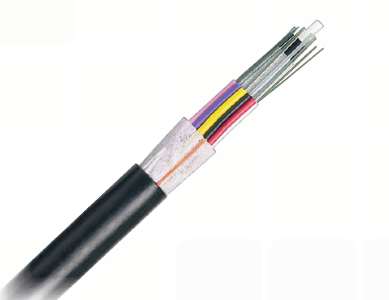
CABLE-OUTSIDE PLANT - Non-Armored, Dry Tube
 |  |  |  | Non-Rated- 250um
 |  |  |  |  | 6 | 12 | 24 | 48 | 72 | 96 | 144
 |  |  |  | OS2 | F-EDH1JKT-12-HB-006-E3 | F-EDH1JKT-12-HB-012-E3 | F-EDH1JKT-12-HB-024-E3 | F-EDH1JKT-12-HB-036-E3 | F-EDH1JKT-12-HB-072-E3 | F-EDH1JKT-12-HB-096-E3 | F-EDH1JKT-12-HB-144-E3
 |  |  |  | OM1 | F-EDH1JKT-12-G6-006-M2 | F-EDH1JKT-12-G6-012-M2 | F-EDH1JKT-12-G6-024-M2 | F-EDH1JKT-12-G6-048-M2 | F-EDH1JKT-12-G6-072-M2 | F-EDH1JKT-12-G6-096-M2 | F-EDH1JKT-12-G6-144-M2
 |  |  |  | OM3 | F-EDH1JKT-12-G3-006-M3 | F-EDH1JKT-12-G3-012-M3 | F-EDH1JKT-12-G3-024-M3 | F-EDH1JKT-12-G3-048-M3 | F-EDH1JKT-12-G3-072-M3 | F-EDH1JKT-12-G3-096-M3 | F-EDH1JKT-12-G3-144-M3
 |  |  |  | OM4 | F-EDH1JKT-12-G4-006-M3 | F-EDH1JKT-12-G4-012-M3 | F-EDH1JKT-12-G4-024-M3 | F-EDH1JKT-12-G4-048-M3 | F-EDH1JKT-12-G4-0-M723 | F-EDH1JKT-12-G4-096-M3 | F-EDH1JKT-12-G4-144-M3

Cable-Outside Plant-Armored
 |  |  |  |  |  |  |  |  |  |  | *fiber counts up to 432 available

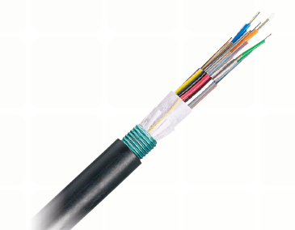
CABLE-OUTSIDE PLANT - Armored, Dry Tube
 |  |  |  | Non-Rated- 250um
 |  |  |  |  | 6 | 12 | 24 | 48 | 72 | 96 | 144
 |  |  |  | OS2 | F-EDH1A1J-12-HB-006-E3 | F-EDH1A1J-12-HB-012-E3 | F-EDH1A1J-12-HB-024-E3 | F-EDH1A1J-12-HB-048-E3 | F-EDH1A1J-12-HB-072-E3 | F-EDH1A1J-12-HB-096-E3 | F-EDH1A1J-12-HB-144-E3
 |  |  |  | OM1 | F-EDH1A1J-12-G6-006-M2 | F-EDH1A1J-12-G6-012-M2 | F-EDH1A1J-12-G6-024-M2 | F-EDH1A1J-12-G6-048-M2 | F-EDH1A1J-12-G6-072-M2 | F-EDH1A1J-12-G6-096-M2 | F-EDH1A1J-12-G6-144-M2
 |  |  |  | OM3 | F-EDH1A1J-12-G3-006-M3 | F-EDH1A1J-12-G3-012-M3 | F-EDH1A1J-12-G3-024-M3 | F-EDH1A1J-12-G3-048-M3 | F-EDH1A1J-12-G3-072-M3 | F-EDH1A1J-12-G3-096-M3 | F-EDH1A1J-12-G3-144-M3
 |  |  |  | OM4 | F-EDH1A1J-12-G4-006-M3 | F-EDH1A1J-12-G4-012-M3 | F-EDH1A1J-12-G4-024-M3 | F-EDH1A1J-12-G4-048-M3 | F-EDH1A1J-12-G4-072-M3 | F-EDH1A1J-12-G4-096-M3 | F-EDH1A1J-12-G4-144-M3

 |  |  |  |  |  |  |  |  |  |  | *fiber counts up to 432 available

OptiCam Tools & Access

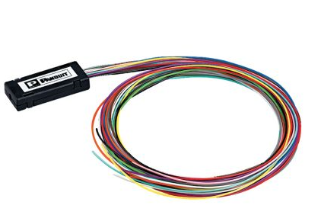
OptiCam TOOLS AND ACCESSORIES
Kits |  |  |  |  |  |  |  |  | Accessories
FOCTT2-PKIT2 |  |  |  |  |  |  |  |  | Launch Cords: |  |  | Fan Out Kits:
Includes: batteries, case, launch cords and one cradle |  |  |  |  |  |  |  |  | FOLPC-1.25SM |  |  | FO6CB
for each OptiCam LC, SC2 and ST2 connector, Precision Cleaver, |  |  |  |  |  |  |  |  | FOLPC-1.25MM |  |  | FO12CB
installation tools, cleaning and consumbables

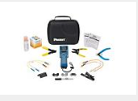
FOCTT2-BKIT2 |  |  |  |  |  |  |  |  | FOLPC-2.5SM
Includes: batteries, case, launch cords and one cradle |  |  |  |  |  |  |  |  | FOLPC-2.5MM |  |  | Build up Tube:
for each OptiCam LC, SC2 and ST2 connector, Fitel Cleaver |  |  |  |  |  |  |  |  | FOLAPC-2.5SM |  |  | F250BT-C
installation tools, cleaning and consumbables
 |  |  |  |  |  |  |  |  | Cleaver: |  |  | Cleaning Consumables
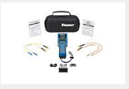
FOCTT2-KIT |  |  |  |  |  |  |  |  | FSPCVR |  |  | FCLEANSOL
Includes: batteries, case, launch cords and one cradle |  |  |  |  |  |  |  |  |  |  |  | FCLEANWIPE
for each OptiCam LC, SC2 and ST2 connector

OptiCam & Fusion Splice Connectors

Fiber Connectors
OptiCam Connectors
 | LC Simplex |  | SC Simplex |  | ST
OS2 | FLCSSCBUY |  | FSC2SCBU |  | FST2SCBU
 |  |  | FSC2SCAG
OM1 | FLCSMC6EIY |  | FSC2MC6EI |  | FST2MC6EI
OM3/OM4 | FLCSMCXAQY |  | FSC2MCXAQ |  | FST2MCXAQ

 | Fusion Splice Connectors
 |  | LC-UPC |  | LC-APC |  | LC-PC |  | SC-UPC |  | SC-APC |  | SC-PC
 | OS2 | FLCS2/9SOCU9BU |  | FLCS2/9SOCA9AG |  | -- |  | FSCS2/9SOCU9BU |  | FSCS2/9SOCA9AG |  | --
 |  | FLCSLT9SOCU9BU |  | FLCSLT9SOCA9AG |  |  |  | -- |  | FSCSLT9SOCA9AG
 | OM3/OM4 | -- |  | -- |  | FLCS2/9SOCPXAQ |  | -- |  | -- |  | FSCS2/9SOCPXAQ
 |  |  |  |  |  | FLCSLT9SOCPXAQ |  |  |  |  |  | --

BOLD part numbers are Best Sellers

Backbone - Copper
 |  |  |  | INDEX
 |  |  | Category 5e
 |  |  | Category 3

Backbone - Copper

Cat 5e

 | Category 5e - 25 Pair
 | CMR (Non-Plenum) | CMP (Plenum)
Color | 0.50" OD | 0.50" OD
Blue | 2133694E
White |  | 2131550E
Gray | 2133269E
 | Standard packaging: 1000' Reel

Cat 3

 | Category 3 - 25 Pair
 | CMR (Non-Plenum) | CMP (Plenum)
Color | 0.42'" OD | 0.42" OD
White |  | 2131505.99
Gray | 2133033.99
 | Standard packaging: 1000' Reel

Faceplates
 |  |  |  | INDEX
 |  |  |  | Faceplates
 |  |  |  | Surface Mount Boxes
Enterprise Network Solutions |  |  |  | Furniture Faceplates
Faceplates |  |  |  | Faceplate Frames & inserts
 |  |  |  | Adapters & Accessories

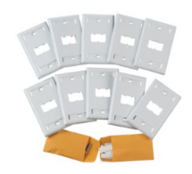
FACEPLATES
CLASSIC
Part number | Ports | Color* | Style | Label | Image
CFPL1IWY | 1 | Off White | Flat | Yes | A
CFPL1WHY |  | White
CFPL2IWY | 2 | Off White |  |  | B |  | A |  |  | B |  | C
CFPL2WHY |  | White
CFPL4IWY | 4 | Off White |  |  | C
CFPL4WHY |  | White
CFP1IW | 1 | Off White |  | No | D
CFP1WH |  | White
CFP2IW | 2 | Off White |  |  | E |  |  |  |  |  |  |  | G
CFP2WH |  | White
CFP4IW | 4 | Off White |  |  | F
CFP4WH |  | White |  |  |  |  | D |  | E |  |  | F
Bulk Packages, 10 each
CFPL2IW-X | 2 | Off White | Flat | Yes | G
CFPL2WH-X |  | White
CFPL4IW-X | 4 | Off White
CFPL4WH-X |  | White

*Additional colors available at Panduit.com
BOLD part numbers are Best Sellers

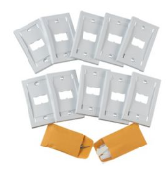

EXECUTIVE
Part number | Ports | Color* | Label | Size | Image
CFPE1IWY | 1 | Off White | Yes | Single Gang | A
CFPE1WHY |  | White
CFPE2IWY | 2 | Off White |  |  | B
CFPE2WHY |  | White
CFPE4IWY | 4 | Off White |  |  | C
CFPE4WHY |  | White |  |  |  |  | A |  | B |  | C
Bulk Packages, 10 each
CFPE2IW-X | 2 | Off White | Yes | Single Gang | D |  |  |  |  |  |  |  | D
CFPE2WH-X |  | White
CFPE4IW-X | 4 | Off White
CFPE4WH-X |  | White

*Additional colors available at Panduit.com
BOLD part numbers are Best Sellers

STAINLESS STEEL
Part number | Ports | Style | Label | Image
CFPL2SY | 2 | Flat | Yes | A
CFPL4SY | 4 |  |  | B
CFP2SY | 2 |  | No | C |  | A | B |  | C |  | D
CFP4SY | 4 |  |  | D
CFPSL2S | 2 | Sloped Recessed | Yes | E
CFPSL4S | 4 |  |  | F

 |  |  |  |  |  | E |  | F

BOLD part numbers are Best Sellers

Surface Mount Boxes

SURFACE MOUNT BOXES
ELONGATED
Part number | Ports | Label | Magnet | Image
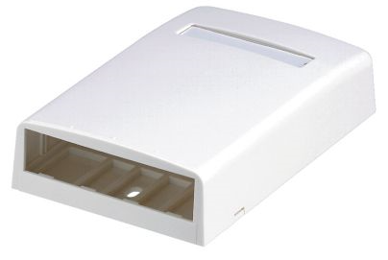
CBX1IW-A | 1 | No | No | A
CBX1WH-A
CBX2IW-AY | 2 |  | CBM-X | B
CBX2WH-AY
CBX4IW-AY | 4 | Yes |  | C
CBX4WH-AY
 |  |  |  |  |  | A |  |  | B |  | C
BOLD part numbers are Best Sellers

QUICK RELEASE
Part number | Ports | Label | Magnet | Image
CBXQ1IW-A | 1 | No | CQBM-X | A
CBXQ1WH-A |  |  |  |  |  |  | A |  |  |  | B
CBXQ2IW-A | 2 | Yes |  | B
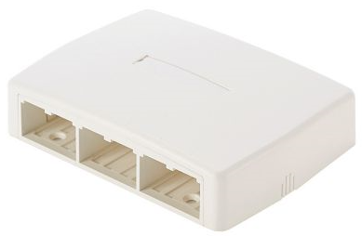
CBXQ2WH-A
CBXQ4IW-A | 4 |  |  | C
CBXQ4WH-A
CBXQ6IW-A | 6 |  |  | D
CBXQ6WH-A |  |  |  |  |  |  | C |  |  |  | D

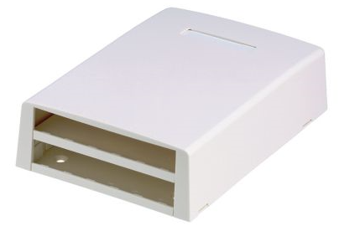
With FIBER SPOOL
Part number | Ports | Label | Magnet | Image
CBXF6IW-AY | 6 | Yes | No | A
CBXF6WH-AY
CBXF12IW-AY | 12 |  |  | B |  |  |  | A |  |  |  | B
CBXF12WH-AY

Furniture Faceplates

FURNITURE FACEPLATES

STANDARD |  |  |  |  |  |  | Panel Cutout Requirements
Part number | Ports | Style | Label | Compatible with MFFPE | Image |  | 1.34"to 1.40" x 2.67" to 2.75" (34.2mm to 35.7mm) x 67.82mm to 69.85mm)
CFFP4BL | 4 | Flat | No | Yes | A*
CFFPL4BL |  |  | Yes |  | B*
CFFPA2BL | 2 | Sloped | No | No | C
CFFPL2BL |  | Flat | Yes | Yes | D*

 | A | B |  |  | C |  | D

*Compatible with MFFPE

MFFPEBL | Extender frame (increases depth by .5")

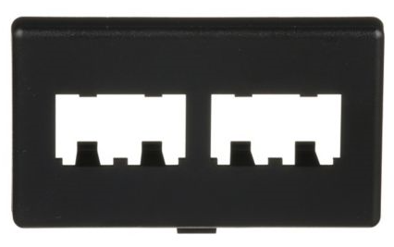
CUSTOM
Part number | Ports | Style | Label
CFFPHM4BL | 4 | Flat | No

Panel Cutout Requirements
1.88"to 1.91" x 2.98" to 3.03" (47.8mm to 48.72mm) x 74.37mm to 76.96mm)

BOLD part numbers are Best Sellers

Faceplate Frames & Inserts

FACEPLATE FRAMES & INSERTS
FRAMES
Part Number | Type | Size | Label | Image
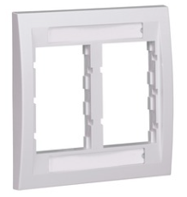
CBEIWY | Executive | Single Gang | Yes | A
CBEWHY
CBEIW-2GY |  | Double Gang |  | B
CBEWH-2GY

 |  |  |  |  |  |  | A |  |  | B

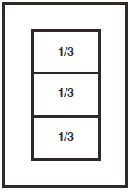
INSERTS
Part Number | Ports | Style | Size | Image
CHF1MIW-X | 1 | Flat | 0.33333333333 | A
CHF1MWH-X |  |  |  |  |  |  |  |  |  | A
CHF2MIW-X | 2 |  |  | B
CHF2MWH-X
CHB2MIW-X | - | Blank |  | C
CHB2MWH-X |  |  |  |  |  |  |  |  |  | B
CHF2IW-X | 2 | Flat | 0.5 | D
CHF2WH-X
CHS2IW-X |  | Sloped |  | E
CHS2WH-X |  |  |  |  |  |  |  |  |  | C
CHB2IW-X | - | Blank |  | F
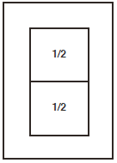
CHB2WH-X

 |  |  |  |  |  |  |  |  | D

 |  |  |  |  |  |  |  |  | E |  |  | F

Adapters & Accessories

ADAPTERS & ACCESSORIES

Part Number | Ports | Style | Image
CF1062IWY | 2 | Duplex 106 | A
CF1062WHY
CF1064IWY | 4 |  | B
CF1064WHY
CFG1WH | 1 | GFCI | C
CFG2WH | 2 |  | D |  | A | B
CFG4WH | 4 |  | E
CMNZABL-X | 1 | 21mmx21mm opening | F
CMNZAWH-X
CMAA1IW-X |  | 25mmx25mm opening | G
CMAA1WH-X |  |  |  |  | C | D |  | E

 |  |  |  |  | F | G

Part Number | Description |  | Image
KWPY | Phone plate - no jack |  | A
KWPK5E | Phone plate w/cat 5e punchdown jack |  | B
KWPK6 | Phone plate w/cat 6 punchdown jack |  | C
CMBBL-X | Blank module - Black* |  | D |  | A |  | B, C | D

*Additional colors available at Panduit.com

BOLD part numbers are Best Sellers

Modular Patch Panels
 |  |  |  | INDEX
 |  |  |  | Faceplate style |  | Accessories
 |  |  |  | Flushmount style
Enterprise Network Solutions |  |  |  | Shielded
Modular Patch Panels |  |  |  | Strain Relief Bars
 |  |  |  | Filler Panels

FACEPLATE PATCH PANELS

CPP24WBLY | 24 ports | 1 RU | Flat Style | No label | CPPL24WBLY | 24 ports | 1 RU | Flat Style | w/label |  | CPPLA24WBLY | 24 ports | 1 RU | Angled Style | w/label

CPP48WBLY | 48 ports | 2 RU | Flat Style | No label | CPPL48WBLY | 48 ports | 2 RU | Flat Style | w/label |  | CPPLA48WBLY | 48 ports | 2 RU | Angled Style | w/label

BOLD part numbers are Best Sellers

Flushmount Patch Panels

FLUSH MOUNT PATCH PANELS

CPP24FMWBLY | 24 ports | Black | Flat Style | 1 RU |  |  | CPPA24FMWBLY |  | 24 ports | Black | Angled Style | 1 RU
CPP24FMWWH |  | White |  |  |  |  | CPPA24FMWWH |  |  | White

CPP48FMWBLY | 48 ports | Black | Flat Style | 2 RU
CPP48FMWWH |  | White |  |  |  |  | CPPA48FMWBLY |  | 48 ports | Black | Angled Style | 2 RU
 |  |  |  |  |  |  | CPPA48FMWWH |  |  | White

CPP48HDWBLY | 48 ports | Black | Flat Style | 1 RU
CPP48HDWWH |  | White |  |  |  |  | CPPA48HDWBLY |  | 48 ports | Black | Angled Style | 1 RU
 |  |  |  |  |  |  | CPPA48HDWWH |  |  | White

BOLD part numbers are Best Sellers

Shielded Patch Panels

SHIELDED PATCH PANELS

CP24BLY | 24 ports | Black | Flat Style | 1 RU |  |  |  |  |  |  | CP48HDBL | 48 ports | Black | Flat Style | 1 RU
CP24WH |  | White |  |  | CPA24BLY | 24 ports | Black | Angled Style | 1 RU |  | CP48HDWH |  | White
 |  |  |  |  | CPA24WH |  | White

CP48BLY | 48 ports | Black | Flat Style | 2 RU |  |  |  |  |  |  | CPA48HDBL | 48 ports | Black | Angled Style | 1 RU
CP48WH |  | White |  |  | CPA48BLY | 48 ports | Black | Angled Style | 2 RU |  | CPA48HDWH |  | White
 |  |  |  |  | CPA48WH |  | White

To be used only with Mini Com Shielded Jack Modules

BOLD part numbers are Best Sellers

Strain Relief Bars
Filler Panels
Accessories

STRAIN RELIEF BARS |  |  |  |  | FILLER PANELS |  |  |  |  |  | ACCESSORIES

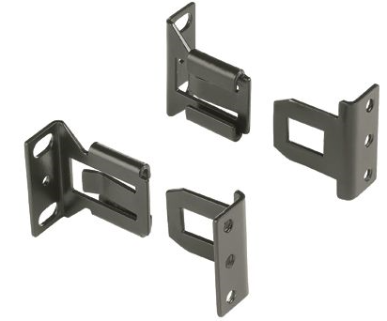

SRBS19BL-X | Straight, 10/pkg

 |  |  |  |  | CPATCBL | Black | Angled Style | Transitional cover
 |  |  |  |  | CPATCWH | White
 |  |  |  |  |  |  |  |  |  |  | SRBBRKT | Quick Release Bracket

SRB19BLY | Elongated, extends 2.8"
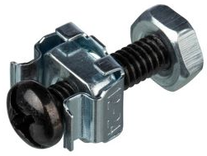

 |  |  |  |  | CPAF1BLY | Black | Angled Style | 1 RU
 |  |  |  |  | CPAF1WH | White
SRB19D5BL | Elongated, extends 4.5"
 |  |  |  |  |  |  |  |  |  |  | CNSBRKIT-C | Cage nut kit for strain relief bar

 |  |  |  |  | CPAF2BLY | Black | Angled Style | 2 RU
 |  |  |  |  | CPAF2WH | White
SRB19D7BL | Elongated, extends 7.6"

 |  |  |  |  | DPFP1 | Black | Flat Style | 1 RU
 |  |  |  |  | DPFP1WH | White
SRBWCY | Straight with clips, for 24 cables

 |  |  |  |  | DPFP2 | Black | Flat Style | 2 RU
 |  |  |  |  | DPFP2WH | White

BOLD part numbers are Best Sellers

Security Devices
 |  |  |  | INDEX
 |  |  |  | SmartKeeper Block out system | Lock-In for LC patch cord
 |  |  |  | Block out RJ45
 | Enterprise Network Solutions |  |  | Block out LC
 | Security Devices |  |  | Block out USBA
 |  |  |  | Lock-In for RJ45 patch cord

SMARTKEEPER BLOCK OUT SYSTEM

 | Part Number | Description |  | Qty
 | SKMKEY | Master Key |  | 1
 | SKUSBA-V | USB Type A block out device |  | 5
 | SKUSBC | USB Type C blockout device |  | 1
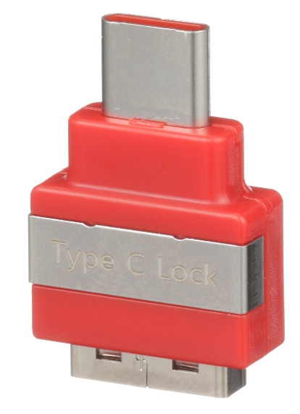
 | SKRJ45RD-X | RJ45 block out device - red |  | 10

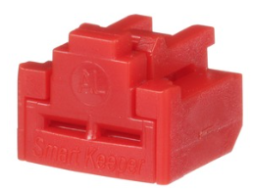
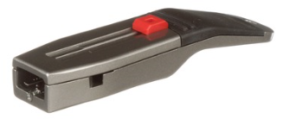

BLOCK OUT DEVICES

 | RJ45
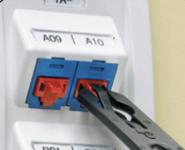
 | Part Number | Color* | Qty*
 | PSL-DCJB | Red | 10
 | PSL-DCJB-BL | Black | 10
 | PSL-DCJB-IW | Off White | 10

 | * | Add -C for package of 100 devices with 5 keys
 |  | Additional colors available at Panduit.com

 | LC

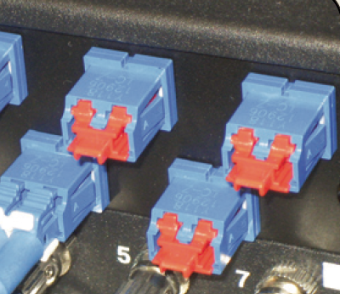
 | Part Number | Color | Qty
 | PSL-LCAB | Red | 10

 | USB
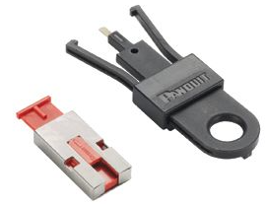
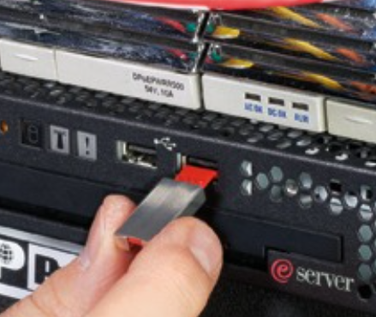
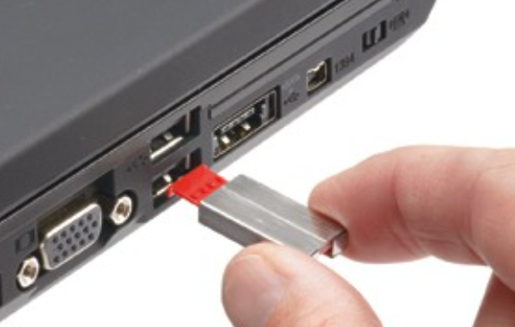
 | Part Number | Qty
 | PSL-USBA | 5

LOCK-IN DEVICES
 | RJ45 PATCH CORD
 | STANDARD
 | Part Number | Color | Qty
 | PSL-DCPLE | Red | 10
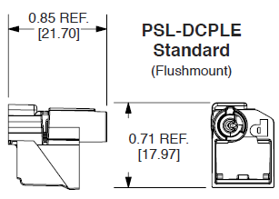
 | PSL-DCPLE-BL | Black | 10
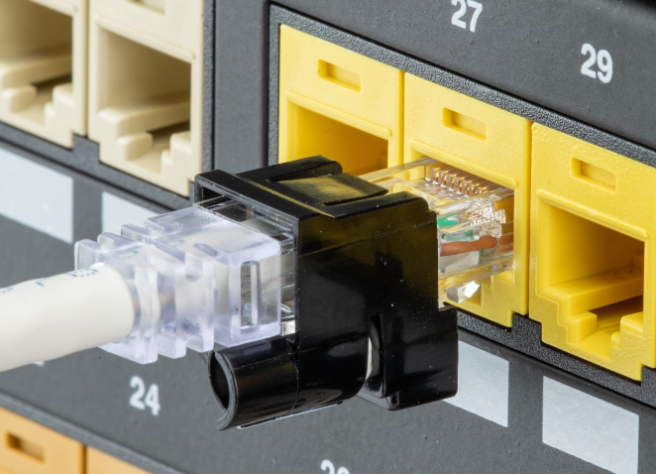
 | PSL-DCPLE-YL | Yellow | 10

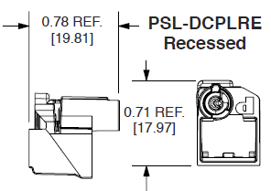
 | RECESSED
 | Part Number | Color* | Qty
 | PSL-DCPLRE | Red | 10
 | PSL-DCPLRE-BL | Black | 10
 | PSL-DCPLRE-YL | Yellow | 10

 | * | Add -C for package of 100 devices with 5 keys
 |  | Additional colors available at Panduit.com

 | LC PATCH CORD

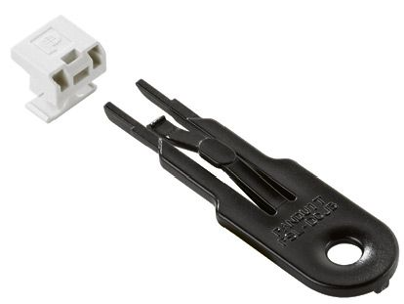
 | LC DUPLEX LOCK In
 | Part Number | Color* | Qty
 | FLCCLIW-X | Off White | 10

NETKEY
 |  |  |  | INDEX
 |  |  |  | Cat 6A Jacks |  |  | Modular Patch Panels |  |  | Furniture Faceplates
 |  |  |  | Cat 6 Jacks |  |  | Faceplates standard |  |  | Surface Mount Boxes
Enterprise Network Solutions |  |  |  | Cat 6A Patch Cords |  |  | Faceplates stainless steel
NetKey Keystone |  |  |  | Cat 6 Patch Cords
 |  |  |  | Punchdown Patch Panels |  |  | Adapters & accessories

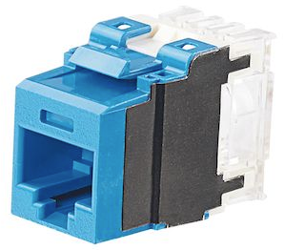
Cat6A JACKS - UTP
PUNCHDOWN
Color * | Pkg 1 |  | Pkg 25
Blue | NK6X88MBU |  | NK6X88MBU-Q
Black | NK6X88MBL |  | NK6X88MBL-Q
White | NK6X88MWH |  | NK6X88MWH-Q
Off White | NK6X88MIW |  | NK6X88MIW-Q
Yellow | NK6X88MYL |  | NK6X88MYL-Q
Orange | NK6X88MOR |  | NK6X88MOR-Q
Green | NK6X88MGR |  | NK6X88MGR-Q
Red | NK6X88MRD |  | NK6X88MRD-Q

BOLD part numbers are Best Sellers
*Additional color options available at Panduit.com

CAT 6 JACKS UTP

Cat6 JACKS - UTP
PUNCHDOWN
Color * | Pkg 1 |  | Pkg 25
Blue | NK688MBU |  | NK688MBU-Q
Black | NK688MBL |  | NK688MBL-Q
White | NK688MWH |  | NK688MWH-Q
Off White | NK688MIW |  | NK688MIW-Q
Yellow | NK688MYL |  | NK688MYL-Q
Orange | NK688MOR |  | NK688MOR-Q
Green | NK688MGR |  | NK688MGR-Q
Red | NK688MRD |  | NK688MRD-Q

BOLD part numbers are Best Sellers
*Additional color options available at Panduit.com

PATCH CORDS

PATCH CORDS - UTP

Cat6A Patch Cords
Color * | Pkg 1
Off White | NK6APC* |  |  |  |  |  | STANDARD LENGTHS
Blue | NK6APC*BU |  |  |  |  |  | Replace *
 |  |  |  |  |  |  | 1-20 ft (every 1 ft)
*Additional colors available at Panduit.com |  |  |  |  |  |  | 20-50 ft (every 10 ft)

Cat6 Patch Cords
Color * | Pkg 1
Off White | NK6PC*Y |  |  |  |  |  | STANDARD LENGTHS
Blue | NK6PC*BUY |  |  |  |  |  | Replace *
 |  |  |  |  |  |  | 1-20 ft (every 1 ft)
BOLD part numbers are Best Sellers |  |  |  |  |  |  | 20-50 ft (every 5 ft)

*Additional colors available at Panduit.com

PATCH PANELS 110

PATCH PANELS - 110 PUNCHDOWN

Preloaded Patch Panels

NK6XPPG24Y | Cat6A | Flat Style | 24 ports | Black |  | NK6XPPG48Y |  | Cat6A | Flat Style | 48 ports | Black
NK6PPG24Y | Cat6 |  |  | Black |  | NK6PPG48Y |  | Cat6 |  |  | Black

 |  |  | BOLD part numbers are Best Sellers

MODULAR PATCH PANELS

PATCH PANELS - Modular

Furniture Faceplate Style

NKFP24Y | 24 ports | Flat Style | Black |  |  | NKFP48Y |  | 48 ports | Flat Style | Black
NKFPA24 | 24 ports | Angled Style | Black |  |  | NKFPA48 |  | 48 ports | Angled Style | Black

Flush Mount Style

NKPP24FMY | 24 ports | Flat Style | Black |  |  | NKPP48FMY |  | 48 ports | Flat Style | Black
 |  |  |  |  |  | NKPP48FMVNSBL

NKPPA24FMY | 24 ports | Angled Style | Black |  |  | NKPPA48FMY |  | 48 ports | Angled Style | Black

High Density Style

NKPP48HDY | 48 ports | Flat Style | Black |  |  | NKPPA48HDY |  | 48 ports | Angled Style | Black

BOLD part numbers are Best Sellers

FACEPLATES

FACEPLATES

CLASSIC
Part number | Ports | Color * | Style | Label | Image
NK1FIWY | 1 | Off White | Flat | Yes | A
NK1FWHY |  | White
NK2FIWY | 2 | Off White |  |  | B
NK2FWHY |  | White
NK4FIWY | 4 | Off White |  |  | C
NK4FWHY |  | White |  |  |  |  | A |  | B |  | C | G
NK1FNIW | 1 | Off White |  | No | D
NK1FNWH |  | White
NK2FNIW | 2 | Off White |  |  | E
NK2FNWH |  | White
NK4FNIW | 4 | Off White |  |  | F
NK4FNWH |  | White
NK4VSFIW | 4 | Off White | Sloped | Yes | G
NK4VSFWH |  | White |  |  |  |  | D |  | E |  | F

*Additional colors available at Panduit.com

STAINLESS STEEL

STAINLESS STEEL
Part number | Ports | Style | Label | Image
NKF2S | 2 | Flat | Yes | A
NKF4S | 4 |  |  | B
NKF6S | 6 |  |  | C |  |  | A | B |  | C

ADAPTERS

ADAPTERS & ACCESSORIES
Part Number | Ports | Style | Image
NK2106MFIW | 2 | Duplex 106 | A
NK2106MFWH
NK4106MFIW | 4 |  | B |  |  | A |  | B
NK4106MFWH
NK2RMFIW | 2 | GFCI | C
NK2RMFWH |  |  |  |  |  |  |  |  |  | E
NK4RMFIW | 4 |  | D
NK4RMFWH
NKBMIW-X | - | Blank Module | E
 |  |  |  |  |  | C |  | D

Additional colors available at Panduit.com

FURNITURE FACEPLATES

FURNITURE FACEPLATE (standard opening)
Part Number | Ports | Style | Label | Compatible with MFFPE | Image
NK4MFBL | 4 | Flat | No | Yes | A |  |  |  | A |  | B
NK4MFLBL |  |  | Yes |  | B

 |  |  |  |  |  |  | Panel Cutout Requirements
 |  |  |  |  |  |  | 1.34"to 1.40" x 2.67" to 2.75" (34.2mm to 35.7mm) x 67.82mm to 69.85mm)

SURFACE MOUNT BOXES

Surface Mount Boxes

White | NK2BXWH-A |  |  | White |  | NK4BXWH-AY |  |  | White |  | NK6BXWH-AY
Off White | NK2BXIW-A |  |  | Off White |  | NK4BXIW-AY |  |  | Off White |  | NK6BXIW-AY

Additional colors available at Panduit.com

RACM
 |  |  |  | INDEX
 |  |  |  | Racks
 |  |  |  | Rack Accessories
Enterprise Network Solutions |  |  |  | Vertical Managers
RACM |  |  |  | Horizontal Managers
 |  |  |  | Zone Enclosures

Racks
Black Offering |  |  |  |  | White Offering
R2P | 2-Post, threaded rails |  |  |  | R2PWH | 2-Post White, theaded rails
R4P | 4-Post, threaded rails, 30" deep |  |  |  | R4PWH | 4-Post White, threaded rails, 30" deep
R4PCN | 4-post, cage nut rails, 30" deep |  |  |  | R4PCNWH | 4-Post White, cage nut rails, 30" deep
AR4P | Adjustable 4-Post, threaded rails, 23"-42" deep |  |  |  | AR4PWH | Adjustable 4-Post White, threaded rails, 23"-42" deep
AR4PCN | Adjustable 4-Post, cage rails, 23"-42" deep |  |  |  | AR4PCNWH | Adjustable 4-Post White, cage rails, 23"-42" deep
BOLD part numbers are Best Sellers

R2P | R4P | AR4P |  |  | R2PWH | R4PWH | AR4PWH

Rack
Accessories

Rack Accessories

RSHLF | 1 RU 4-Post Rack Mount Shelf, 30" deep |  | SRM19FM1 | 1 RU 2-Post Rack Front Mount Shelf |  | DPFP1 | 1 RU Horizontal Rack Filler Panel

Vertical
Managers

Vertical Managers
Black Offering |  |  |  |  | White Offering
PatchRunner 2 |  |  |  |  | PatchRunner 2
PR2VD06 | Dual-Sided 45 RU, 6"W, Two dual hinged doors |  |  |  | PR2VD06WH | Dual-Sided 45 RU, 6"W, Two dual hinged doors
PR2VFD06 | Single-Sided 45 RU, 6"W, One dual hinged door |  |  |  | PR2VFD06WH | Sungle-Sided 45 RU, 6"W, One dual hinged door
PR2VD08 | Dual-Sided 45 RU, 8"W, Two dual hinged doors |  |  |  | PR2VD08WH | Dual-Sided 45 RU, 8"W, Two dual hinged doors
PR2VD12 | Dual-Sided 45 RU, 12"W, Two dual hinged doors |  |  |  | PR2VD12WH | Dual-Sided 45 RU, 12"W, Two dual hinged doors
NetRunner
WMPV45E | Dual-Sided 45 RU, 4"W, w/ Cover
WMPVF45E | Single-Sided 45 RU, 4"W, w/ Cover
WMPVHC45E | Dual-Sided 45 RU, 6"W, w/ Cover
BOLD part numbers are Best Sellers

 | WMPV45E |  | PR2VD06 |  |  | PR2VD06WH

Horizontal
Managers

Horizontal Managers
Black Offering |  |  |  |  | White Offering
PatchLink
WMPSE | 1 RU, Front and Rear, w/ Cover
WMPFSE | 1 RU, Front Only, w/ Cover
WMP1E | 2 RU, Front and Rear, w/ Cover
NetManager High Capacity |  |  |  |  | NetManager High Capacity
NM2 | 2 RU, High Capacity, Front and Rear, w/ Cover |  |  |  | NMF1WH | 1 RU, High Capacity, Front Only, w/ Cover
NMF2 | 2 RU, High Capacity, Front Only, w/ Cover |  |  |  | NMF2WH | 2 RU, High Capacity, Front Only, W. Cover
Patch Runner 2 |  |  |  |  | Patch Runner 2
PR2HF2 | 2 RU, High Capacity, Front Only, w/ Cover |  |  |  | PR2HF2WH | 2 RU White, High Capacity, Front Only, w/ Cover
PR2HF4 | 4 RU, High Capacity, Front Only, w/ Cover |  |  |  | PR2HF4WH | 4 RU White, High Capacity, Front Only, w/ Cover
BOLD part numbers are Best Sellers

 | WMPSE |  |  | PR2HF2 |  | NMF2WH

Passive AV
 |  | INDEX
 |  | Above Floor Raceway
 |  | AV Couplers
Enterprise Network Solutions
Passive AV

AFR4BCBL6
Above Floor Raceway
Part Number | Description
AFR4BCBL6 | Above Floor Raceway 4-Channel Base and Cover, 6 Feet, Black
AFR4BCBL6
AFR4JB2SBL | Above Floor Raceway Double Gang Junction Box, Black
AFR4BCBL6
AFR4BCBL6
AFR4BCBL6
AFR4RABL | Above Floor Raceway Right Angle Fitting, Black
AFR4CCBL | Above Floor Raceway Cover Coupler Fitting, Black
AFR4ECBL | Above Floor Raceway End Cap Fitting, Black

AFR4TBLGBL | Above Floor Raceway Table Leg Fitting, Black
AFR4WTRBL | Above Floor Raceway Wall Transition Fitting, Black
 | Available in Office Slate (OS) and Black (BL) only.
 |  |  |  | AFR4TBLGBL

 |  |  | AFR4WTRBL

AV Couplers

CMHDMIWH
CMUSBAAWH
CM35MSCWHY
AV Couplers
Part Number | Description
Mini-Com
CMHDMIWH | Mini-Com HDMI 2.0 Type A Coupler, White
CMUSBAAWH | Mini-Com USB 2.0 Coupler, White
CM35MSCWHY | Mini-Com 3.5mm Stereo Coupler, White
CMFWH | Mini-Com F Type Coupler, White
 | Available in Alternate Colors (IW, Off White; EI, Electric Ivory; IG, International Gray; BL, Black)
NKFWH
NetKey
NKHDMIWH
NKUSBAAWH
NK35MSCWH
NKHDMIWH | NetKey HDMI 2.0 Type A Coupler, White
NKUSBAAWH | NetKey USB 2.0 Coupler, White
NK35MSCWH | NetKey 3.5mm Stereo Coupler, White
NKFWH | NetKey F Type Coupler, White
 | Available in Alternate Colors (IW, Off White; EI, Electric Ivory; IG, International Gray; BL, Black)

